Sheet1
Change in Output Mean
This is an extremely simplified example, just to clarify the behavior.
The input in cell C3 takes on integer values of 1 to 10000, so the default 10 bins |  | 5000 | <== input
will contain input values approximately 1–1000, 1001–2000, ..., 9001–10000.
The output in cell C5 equals that input, so the default 10 bins will have |  | 5000 | <== output (equals input)
output means approximately 500, 1500, ..., 9500. (This is true for any number
of iterations, but with fewer iterations the Change in Output Mean statistics for a
given number of bins are less stable.) The first graph was prepared with 10 bins.
Now consider 25 bins. The bins will contain input values approximately 1–400,
401–800, ..., 9601–10000 (10000 divided into 40 bins). The output means will be
approximately 200, 600, ..., 9800. The second graph was prepared with 25 bins.

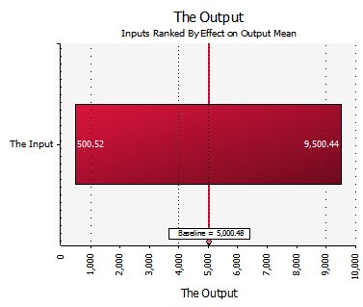 | 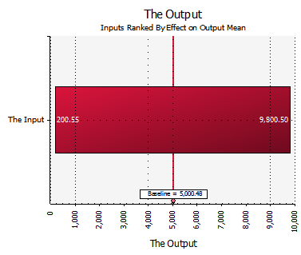

Graph prepared with the default 10 bins | Same simulation, graph prepared with 25 bins.

For more information, please see
http://kb.palisade.com/index.php?pg=kb.page&id=248

