Sheet1
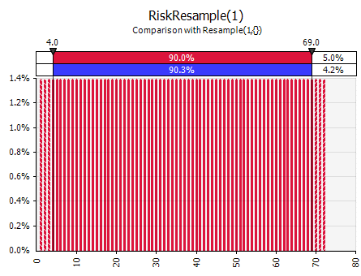

1 | 0.013888888889 | 36
2 | 0.013888888889 | 36
3 | 0.013888888889 | 36
4 | 0.013888888889 | 36
5 | 0.013888888889 | 36 | NOTE: RiskResample(1) and RiskResample(3)
6 | 0.013888888889 | 36 | graphs look OK. However, since they both
7 | 0.013888888889 |  | sample without replacement, iterations 73–720
8 | 0.013888888889 |  | are errors, and you're seeing just the first 72
9 | 0.013888888889 |  | iterations.
10 | 0.013888888889
11 | 0.013888888889
12 | 0.013888888889 |  | With Latin Hypercube, the graph of a discrete
13 | 0.013888888889 |  | simulated distribution should exactly match the
14 | 0.013888888889 |  | theoretical graph, provided that the number of
15 | 0.013888888889 |  | iterations is a multiple of the number of values.
16 | 0.013888888889 |  | The examples here were chosen to make that
17 | 0.013888888889 |  | easy to see. With continuous distributions, the
18 | 0.013888888889 |  | match is not exact, but still much, much closer
19 | 0.013888888889 |  | than when using Monte carlo sampling.

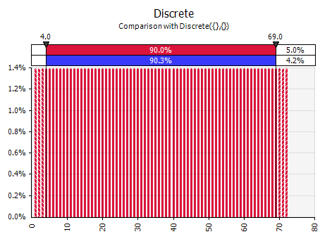
20 | 0.013888888889
21 | 0.013888888889
22 | 0.013888888889
23 | 0.013888888889
24 | 0.013888888889
25 | 0.013888888889
26 | 0.013888888889
27 | 0.013888888889
28 | 0.013888888889
29 | 0.013888888889
30 | 0.013888888889
31 | 0.013888888889
32 | 0.013888888889
33 | 0.013888888889
34 | 0.013888888889
35 | 0.013888888889
36 | 0.013888888889
37 | 0.013888888889
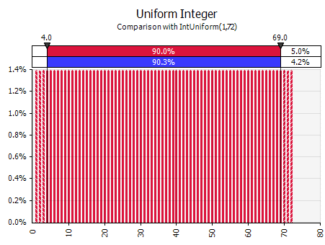
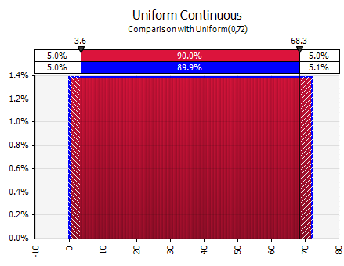
38 | 0.013888888889
39 | 0.013888888889
40 | 0.013888888889
41 | 0.013888888889
42 | 0.013888888889
43 | 0.013888888889
44 | 0.013888888889
45 | 0.013888888889
46 | 0.013888888889
47 | 0.013888888889
48 | 0.013888888889
49 | 0.013888888889
50 | 0.013888888889
51 | 0.013888888889
52 | 0.013888888889
53 | 0.013888888889
54 | 0.013888888889
55 | 0.013888888889
56 | 0.013888888889
57 | 0.013888888889
58 | 0.013888888889
59 | 0.013888888889
60 | 0.013888888889
61 | 0.013888888889
62 | 0.013888888889
63 | 0.013888888889
64 | 0.013888888889
65 | 0.013888888889
66 | 0.013888888889
67 | 0.013888888889
68 | 0.013888888889
69 | 0.013888888889
70 | 0.013888888889
71 | 0.013888888889
72 | 0.013888888889

