Sheet1
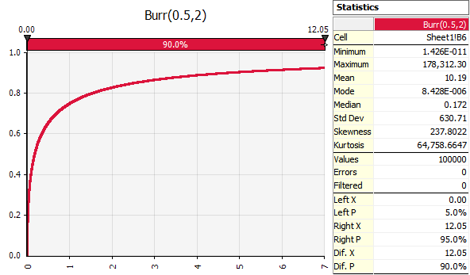
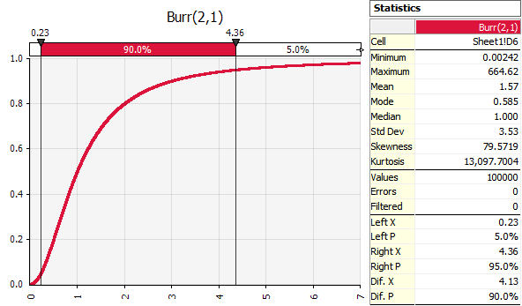
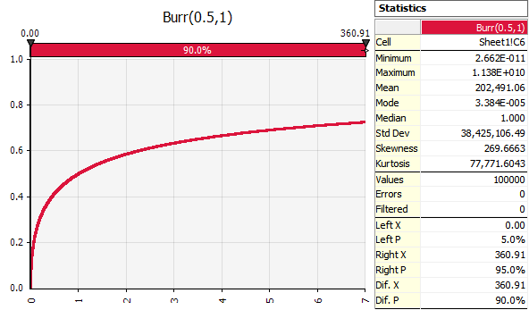
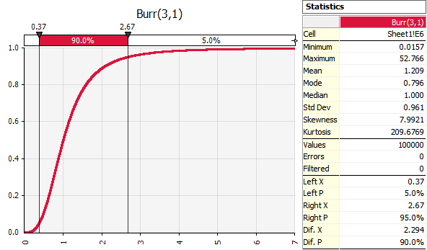
C: | 0.5 | 0.5 | 2 | 3
K: | 2 | 1 | 1 | 1
Name: | Burr(0.5,2) | Burr(0.5,1) | Burr(2,1) | Burr(3,1)
Burr: | 0.17157287525 | 1 | 1 | 1

