Sheet1
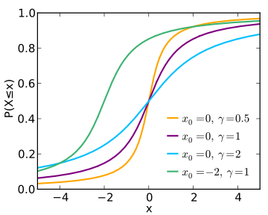
Cauchy Distribution in @RISK
@RISK does not have a Cauchy distribution (also known as a Lorentz or Lorentzian distribution) among the pre-programmed list, but you can easily create one yourself from a t distribution. According to Evans, Hastings, Peacock Statistical Distributions 3/e (Wiley, 2000), pages 49–50:
"The Cauchy variate C:a,b is related to the standard Cauchy variate C:0,1 by C:a,b ~ a+b(C:0,1). ... The standard Cauchy variate is a special case of the Student's t variate with one degree of freedom."
Therefore, to get a Cauchy distribution with location parameter (median) in cell A1 and scale parameter in A2, use the formula in cell C25 (This formula also uses the RiskSimtable function to specify a list of parameters). More information: http://kb.palisade.com/index.php?pg=kb.page&id=43
Note: The charts below are from one particular simulation run. If you run the simulation again, you will get slightly different results.

 | location | scale
Cauchy1 | 0 | 0.5
Cauchy2 | 0 | 1
Cauchy3 | 0 | 2
Cauchy4 | -2 | 1

@RISK Function |  | 0

Simulated Probability Density Function |  |  | Theoretical Probability Density Function

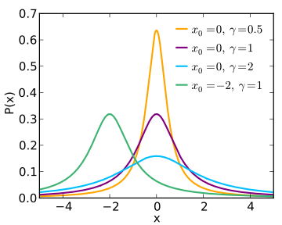

Simulated Cumulative Distribution Function |  |  | Theoretical Cumulative Distribution Function

